Crisil ICRA transition matrix
 | Source: | Crisil Default Study 2013
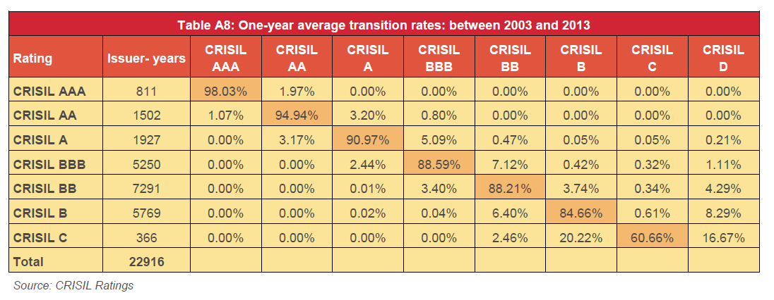

 |  |  |  |  |  | 4

Source: | Transition and Default Study for 2013-14

 |  |  | ICRA | CRISIL | Average
 |  |  | 2.85 | 1.97 | 2.41
 |  |  | 3.47 | 4.00 | 3.74
 |  |  | 8.27 | 5.87 | 7.07
 |  |  | 10.00 | 8.97 | 9.49

